2-1
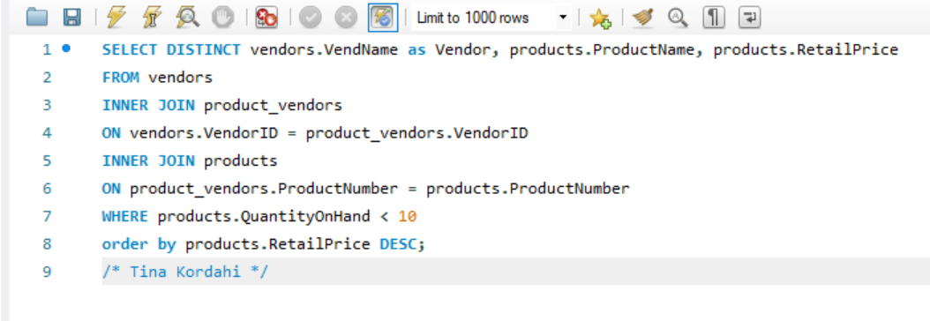
Vendor | ProductName | RetailPrice
Big Sky Mountain Bikes | Eagle FS-3 Mountain Bike | 1800
Lone Star Bike Supply | Eagle FS-3 Mountain Bike | 1800
Nikoma of America | GT RTS-2 Mountain Bike | 1650
Lone Star Bike Supply | GT RTS-2 Mountain Bike | 1650
ProFormance | Trek 9000 Mountain Bike | 1200
Lone Star Bike Supply | Trek 9000 Mountain Bike | 1200
Viscount | Viscount Mountain Bike | 635
Lone Star Bike Supply | Viscount Mountain Bike | 635
Big Sky Mountain Bikes | Ultimate Export 2G Car Rack | 180
Lone Star Bike Supply | Ultimate Export 2G Car Rack | 180
Big Sky Mountain Bikes | Road Warrior Hitch Pack | 175
Dog Ear | Road Warrior Hitch Pack | 175

